32024
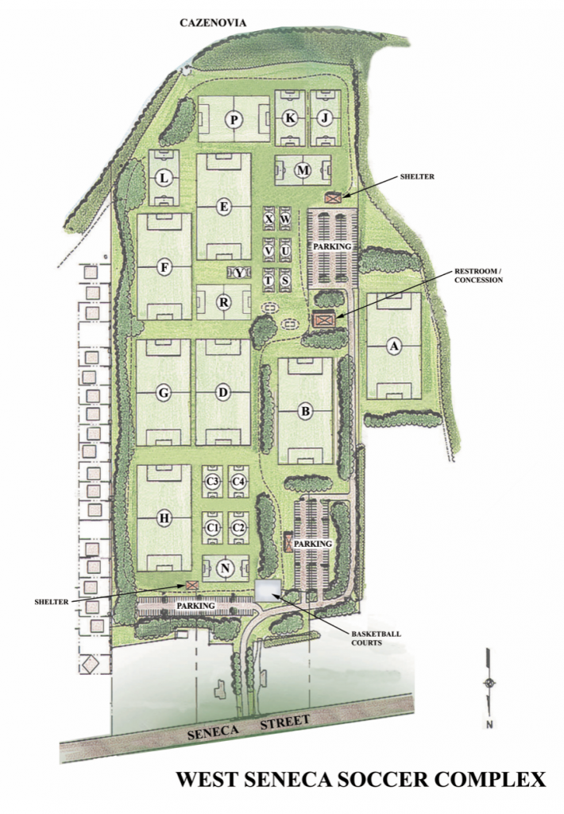
WEST SENECA SOCCER COMPLEX
FIELD NAME | LENGTH | WIDTH | GOAL BOX | PENALTY BOX | PENALTY KICK | ARC & CIRCLE | NET SIZE

A | 360' | 205' | 18' | 54' | 36' | 30' | 8' X 24' | REC | GOS. | 1
B | 340' | 200' | 18' | 54' | 36' | 30' | 8' X 24' | REC |  | 1
C (1-4) | 110' | 90' | 12' | N/A | N/A | N/A | 6' X 12' | WSSC |  | 4
D | 325' | 200' | 18' | 54' | 36' | 30' | 8' X 24' | OF |  | 1
E | 310' | 195' | 18' | 54' | 36' | 30' | 8' X 24' | REC |  | 1
F | 295' | 200' | 18' | 54' | 36' | 30' | 8' X 24' | WSSC |  | 1
G | 350' | 200' | 18' | 54' | 36' | 30' | 8' X 24' | OF |  | 1
H | 325' | 200' | 18' | 54' | 36' | 30' | 8' X 24' | OF |  | 1
J | 190' | 135' | 12' | 36' | 24' | 18' | 6.5' X 18' | WSSC |  | 1
K | 190' | 135; | 12' | 36' | 24' | 18' | 6.5' X 18' | WSSC |  | 1
L | 207' | 140' | 12' | 36' | 24' | 18' | 6.5' X 18' | WSSC |  | 1
M | 190' | 125' | 12' | 36' | 24' | 18' | 6.5' X 18' | WSSC |  | 1
N | 190' | 135' | 12' | 36' | 24' | 18' | 6.5' X 18' | OF |  | 1
P | 220' | 165' | 18' | 42' | 30' | 30' | 7' X 21' | WSSC |  | 1
R | 215' | 150' | 18' | 42' | 30' | 30' | 7' X 21' | OF |  | 1
MICRO (S-X) | 80' | 44' | N/A | N/A | N/A | N/A | MICRO | WSSC |  | 6
 |  |  |  |  |  |  |  |  |  | 24
13U-19U | 12U | 10U | 8U | 6U-5U-4U

REC | A, B, E |  |  |  |  | 3
WSSC | C1, C2, C3, C4, F, J, K, L, M, P, S, T, U, V, W, X |  |  |  |  | 16
OF | D, G, H, N, R |  |  |  |  | 5

